System architecture diagram
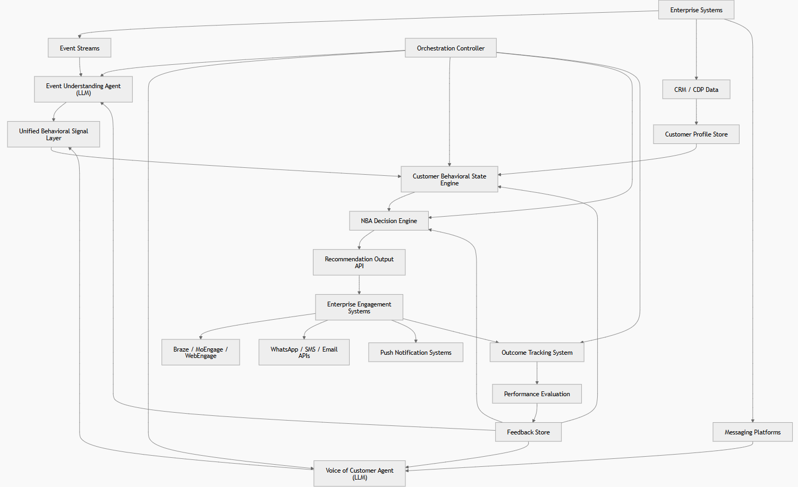
System Design Objective:
A multi-layer behavioral intelligence system where LLMs interpret customer signals, ML systems construct behavioral states, and a constrained optimization engine determines the next best action, continuously improved through closed-loop feedback.

A layered intelligence pipeline:
Layer 1 — Interpretation (LLMs)
event understanding
voice of customer
Layer 2 — State Construction (ML system)
behavioral state engine
Layer 3 — Decisioning (deterministic systems)
NBA decision engine
Orchestrator
Layer 4 — Execution (external systems)
Layer 5 — Learning loop (data systems)
outcome tracking
performance feedback
feedback store

